CollectiveAccess
Image | Object | Description | Date
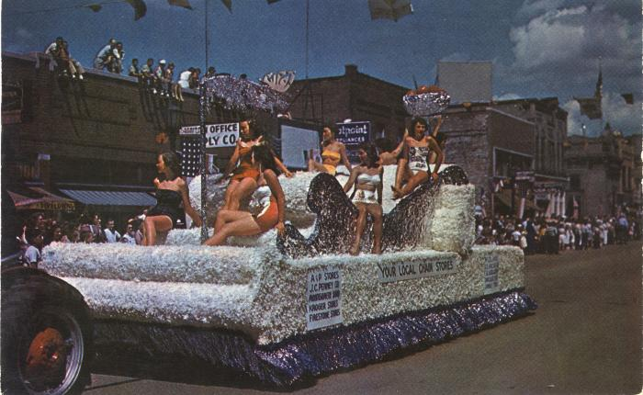 | Your Local Chain Stores National Cherry Festival Parade Postcard, 1950s (2024.16.08.059) | Color "Plastichrome" postcard manufactured by Colourpicutre Inc. of Boston, Massachusetts.
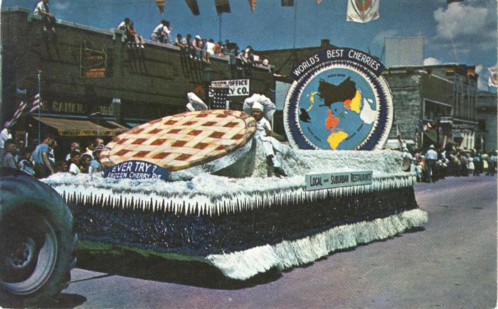 | Local and Suburban Restaurants National Cherry Festival Parade Float Postcard, 1950s (2024.16.08.060) | Color "Plastichrome" postcard manufactured by Colourpicutre Inc. of Boston, Massachusetts.

