CollectiveAccess
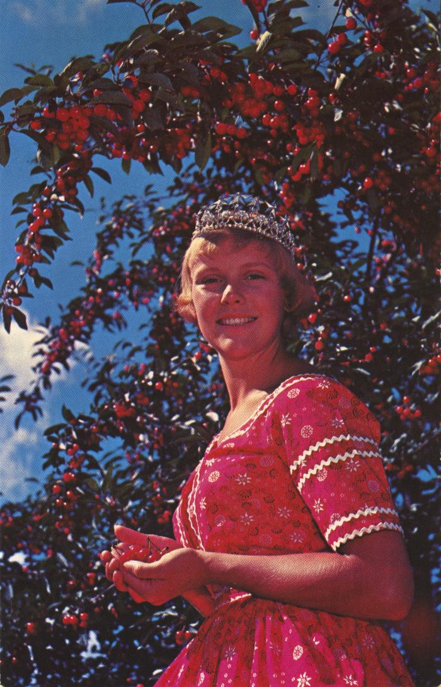
Image | Object | Description | Date
 | National Cherry Festival Queen at Cherry Festival Time in Traverse City, Michigan Postcard, 1957-1958 (2024.16.06.108) | Color photochrome postcard distributed by The Camera Shop, Traverse City, Mich. of Kay Lahym, National Cherry Queen of 1957-1958.

