CollectiveAccess
Image | Object | Description | Date
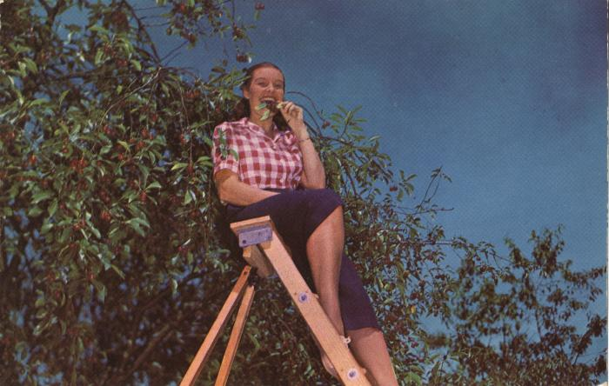 | "Can She Bake a Cherry Pie?" National Cherry Festival Plastichrome Postcard, undated (2024.16.07.144) | "Plastichrome" (photochrome) color postcard printed by Colourpicture Inc. of a person sitting on a ladder next to a cherry tree.
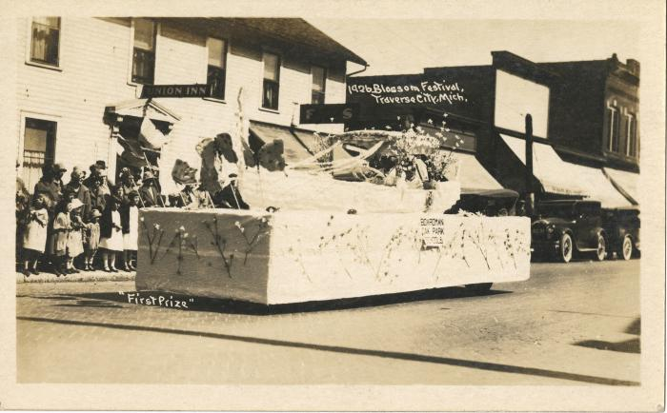 | "First Prize" 1926 Blossom Festival, Traverse City, Mich., Photographic Postcard, 1926 (2024.16.21.135)
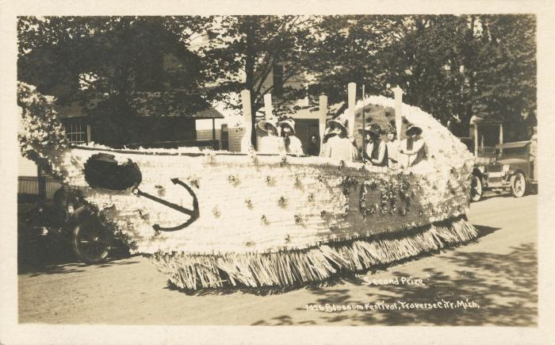 | "Second Prize" 1926 Blossom Festival, Traverse City, Mich., Photographic Postcard, 1926 (2024.16.21.136)
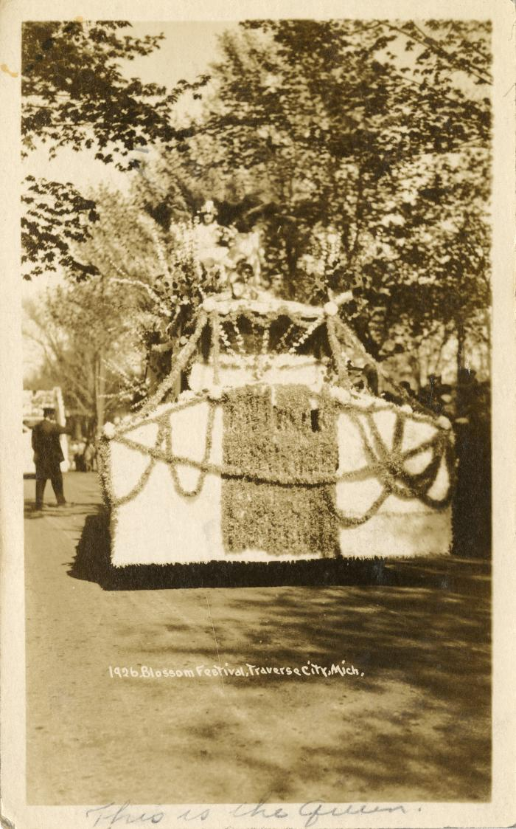
 | 1926 Blossom Festival, Traverse City, Mich., Photographic Postcard (2024.16.21.006)
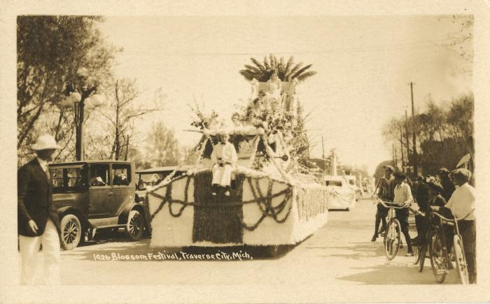 | 1926 Blossom Festival, Traverse City, Mich., Photographic Postcard (2024.16.21.137)
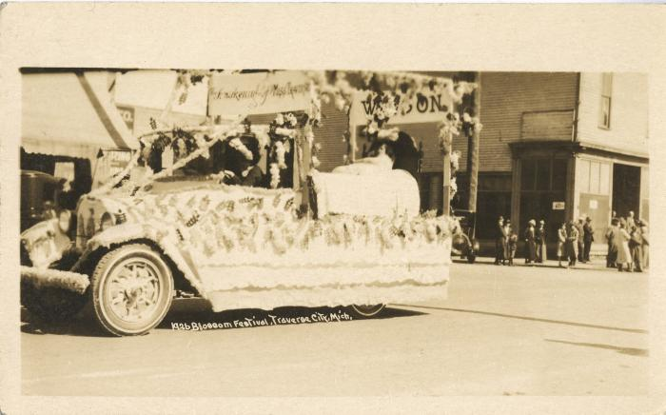 | 1926 Blossom Festival, Traverse City, Mich., Photographic Postcard (2024.16.21.138)
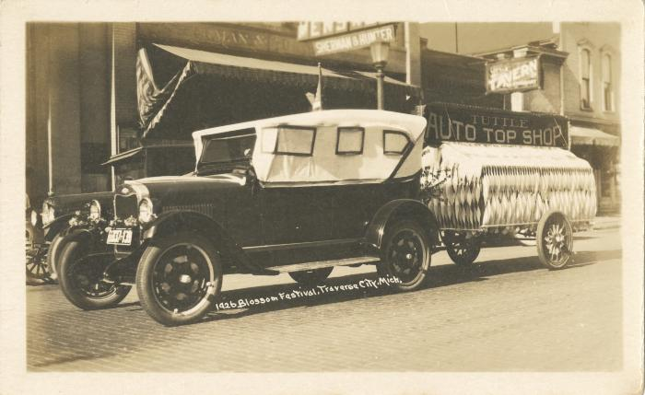 | 1926 Blossom Festival, Traverse City, Mich., Photographic Postcard (2024.16.21.139)
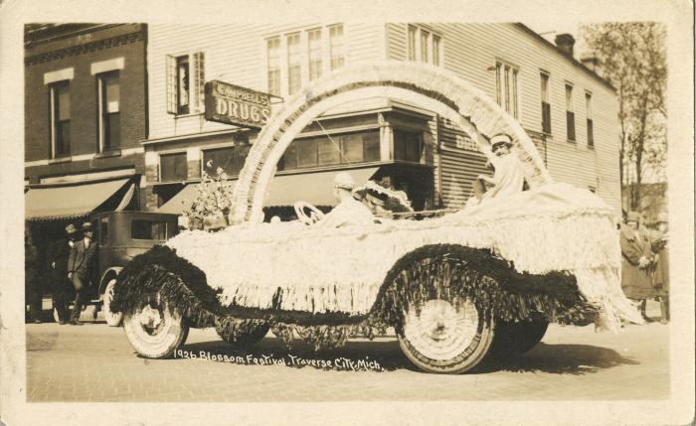 | 1926 Blossom Festival, Traverse City, Mich., Photographic Postcard (2024.16.21.140)
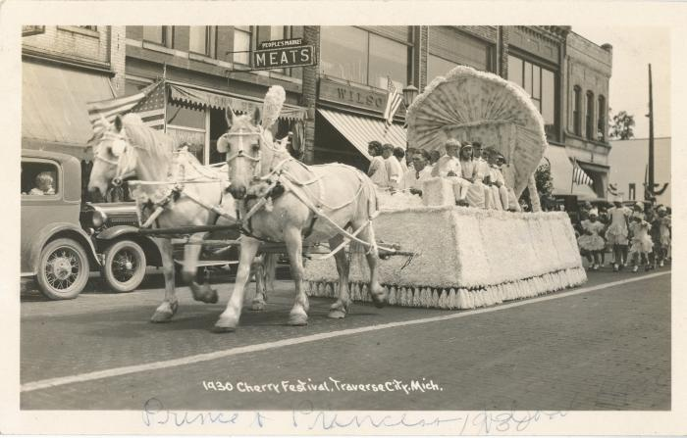 | 1930 Cherry Festival, Traverse City, Mich., Photographic Postcard (2024.16.21.141)
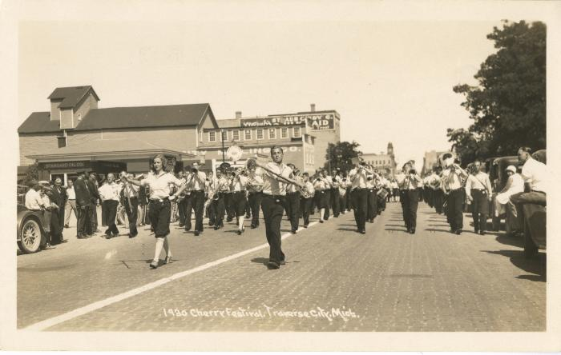 | 1930 Cherry Festival, Traverse City, Mich., Photographic Postcard (2024.16.21.142)
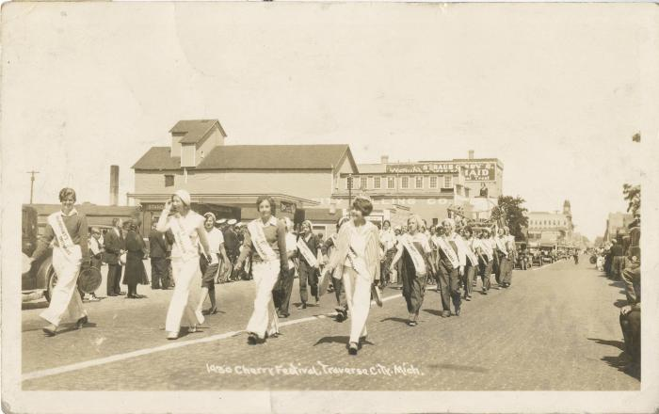 | 1930 Cherry Festival, Traverse City, Mich., Photographic Postcard (2024.16.21.143)
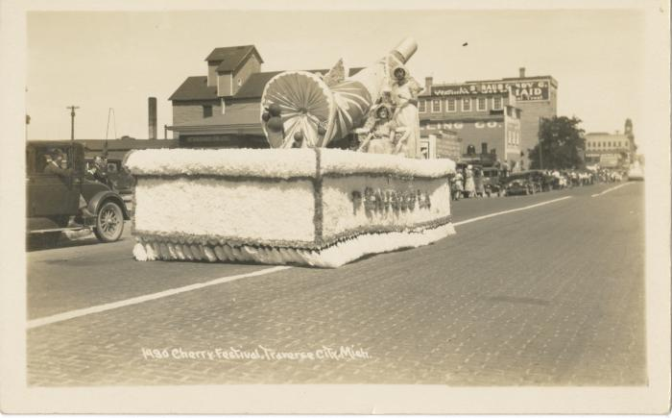 | 1930 Cherry Festival, Traverse City, Mich., Photographic Postcard (2024.16.21.144)
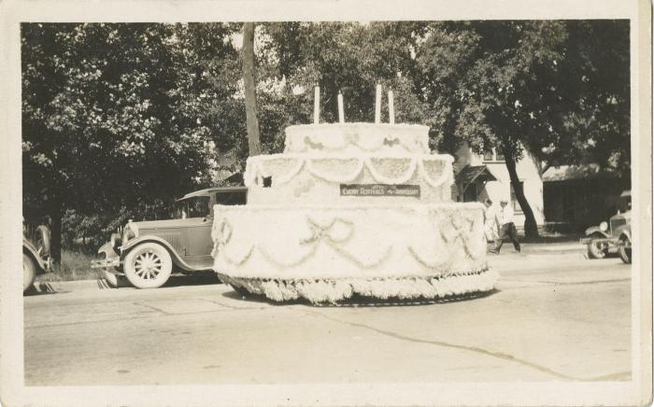 | 4th Anniversary Cherry Ferstival, Traverse City, Photographic Postcard, 1931 July 17 (2024.16.21.145)
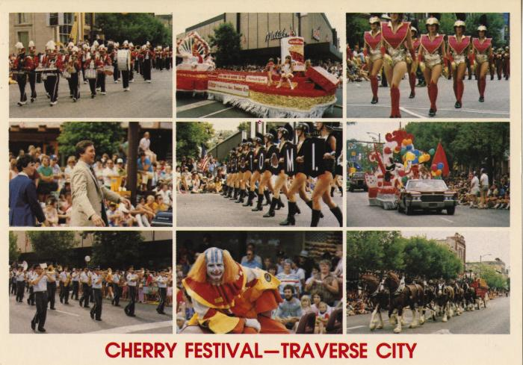 | Cherry Festival - Traverse City Photograph Collage Postcard, after 1983 (2024.16.09.121) | Featuring the 45th Governor of Michigan, James J. Blanchard.
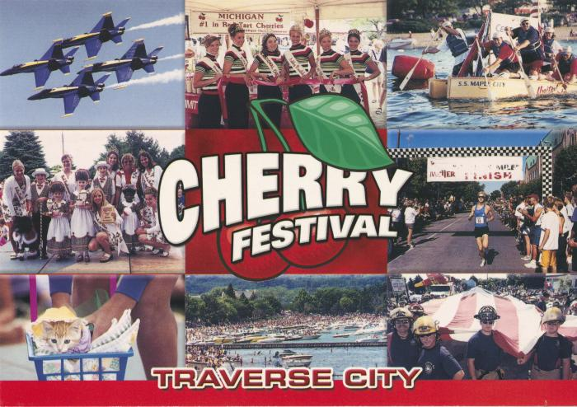 | Cherry Festival Photograph Collage Postcard, undated, circa 2001 (2024.16.09.048) | Group protrait with 2001 National Cherry Queen Kelsey Hewitt
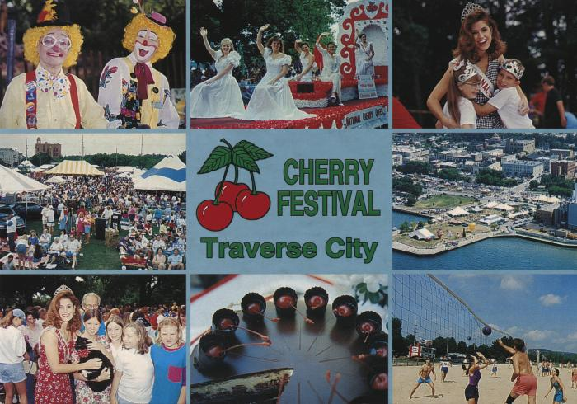 | Cherry Festival, Traverse City Photograph Collage Postcard, circa 1994 (2024.16.09.120) | Image of Christina Willis, National Cherry Queen 1994-1995.
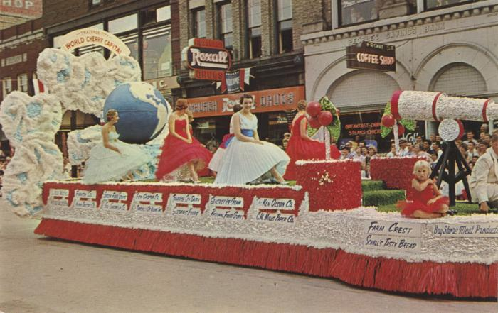 | Grand Floral Parade Nat'L Cherry Festival, National Cherry Festival Postcard, 1960 (2024.16.06.112) | Color photochrome postcard of a parade float in the 1960 National Cherry Festival Parade on Front Street. In the background are the Roxburgh Drugs and Front St. Coffee Shop store fronts.
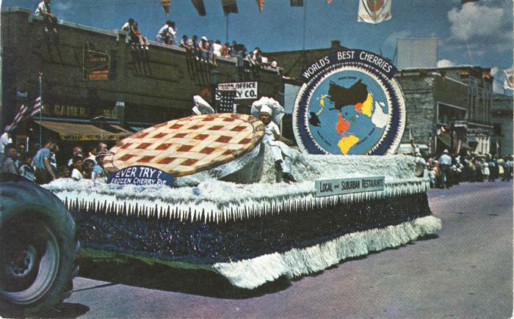 | Local and Suburban Restaurants National Cherry Festival Parade Float Postcard, 1950s (2024.16.08.060) | Color "Plastichrome" postcard manufactured by Colourpicutre Inc. of Boston, Massachusetts.
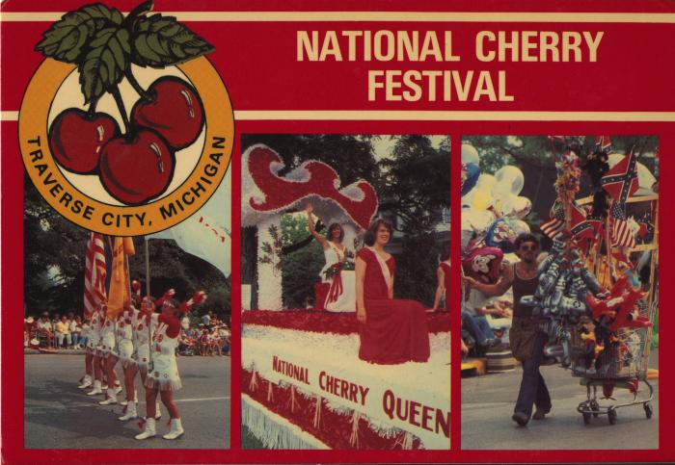 | National Cherry Festival Postcard, after 1981 (2024.16.09.122) | Queen Lynn Van Bogelen
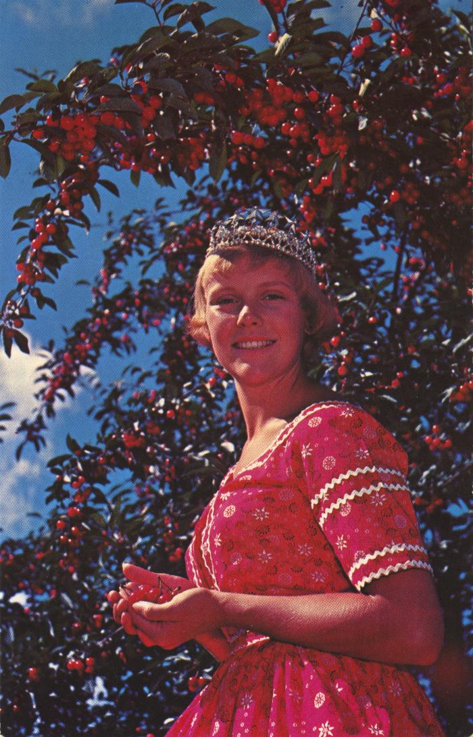
 | National Cherry Festival Queen at Cherry Festival Time in Traverse City, Michigan Postcard, 1957-1958 (2024.16.06.108) | Color photochrome postcard distributed by The Camera Shop, Traverse City, Mich. of Kay Lahym, National Cherry Queen of 1957-1958.
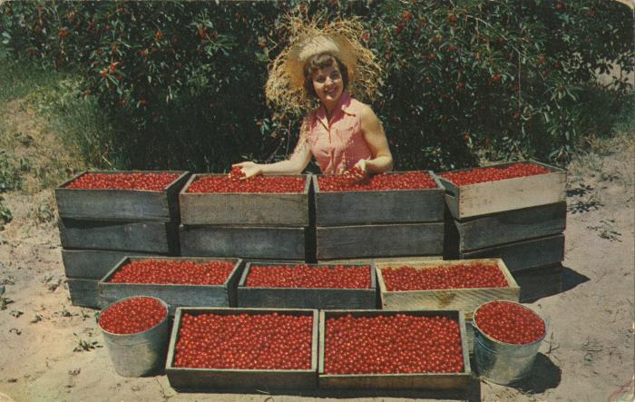 | National Cherry Festival Queen Everil Meloche Admiring Cherries Postcard, circa 1953-1954 (2024.16.07.067) | Color photochrome postcard of Everil Meloche the 1953 National Cherry Queen posing with crates and buckets of red tart cherries.
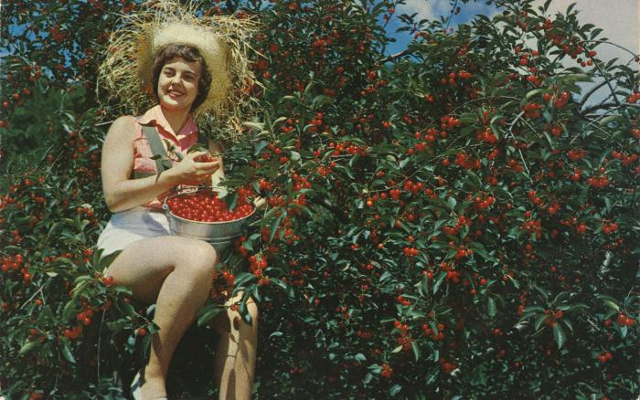 | National Cherry Festival Queen Everil Meloche Harvesting Cherries Postcard, circa 1953-1954 (2024.16.143) | Color photochrome postcard of Everil Meloche the 1953 National Cherry Queen, in a tree harvesting red tart cherries. Postcard was distributed by Water Wonderland Card Co., Grand Rapids, Michigan.
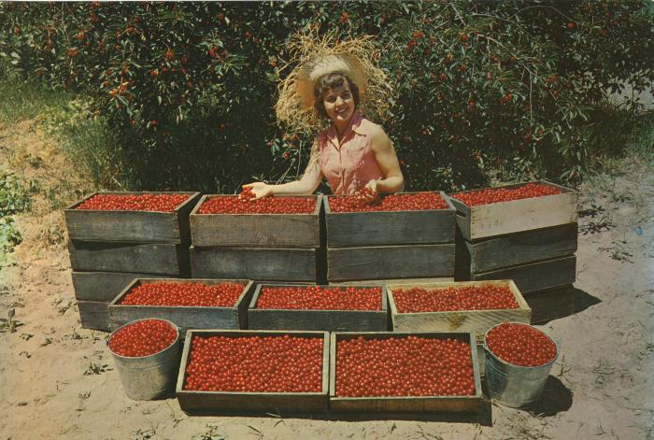 | National Cherry Festival Queen Everile Meloche Admiring Cherries, Giant Postcard, 1953-1954 (2024.16.07.242) | Color oversized postcard of 1953 National Cherry Festival Queen, Everil Meloche, admiring some red tart cherries. Postcard was distributed by Water Wonderland Card Co., Grand Rapids, Michigan.
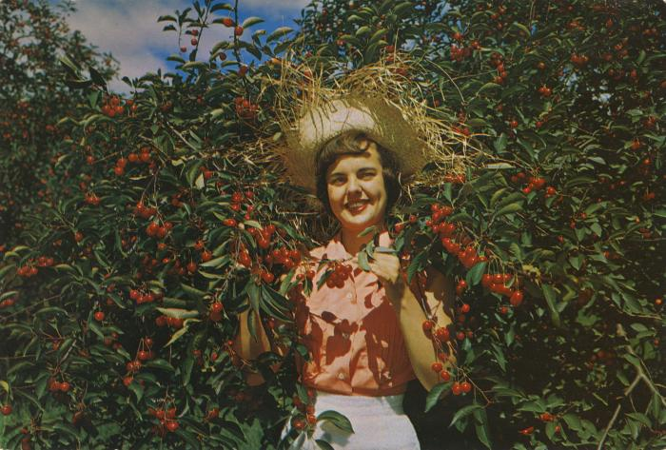 | National Cherry Festival Queen Everile Meloche Sampling Cherries, Giant Postcard, 1953-1954 (2024.16.07.241) | Color oversized postcard of 1953 National Cherry Festival Queen, Everil Meloche, sampling red tart cherries in an orchard.
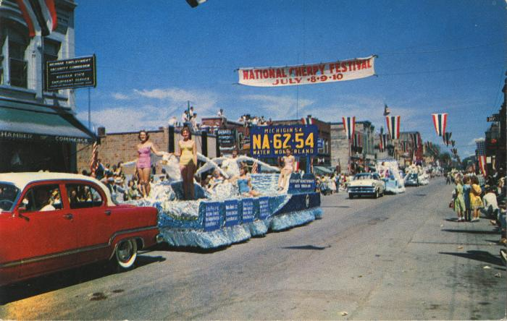 | Outstanding Float of the Grand Floral Parade of the National Cherry Festival Postcard, 1959 (2024.16.07.206) | Color photochrome postcard of the National Cherry Festival Parade on Front Street during the 1959 National Cherry Festival on 1959 July 8-10.
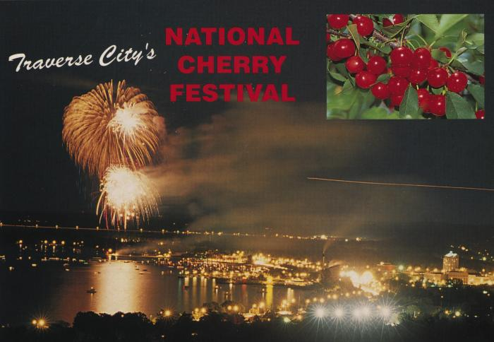 | Traverse City's National Cherry Festival Fireworks Postcard, undated (2024.16.09.123)
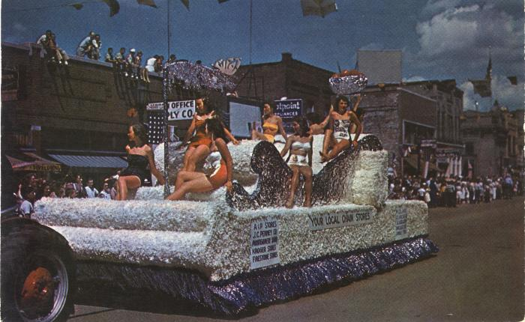 | Your Local Chain Stores National Cherry Festival Parade Postcard, 1950s (2024.16.08.059) | Color "Plastichrome" postcard manufactured by Colourpicutre Inc. of Boston, Massachusetts.

