CollectiveAccess
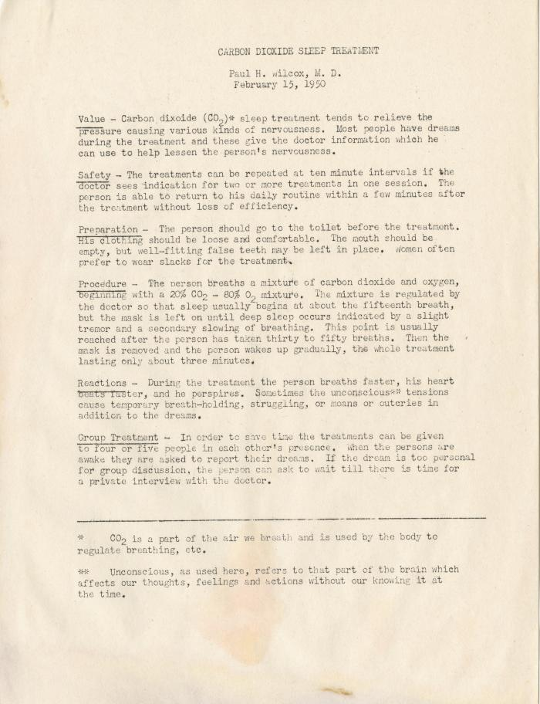
Image | Object | Description | Date
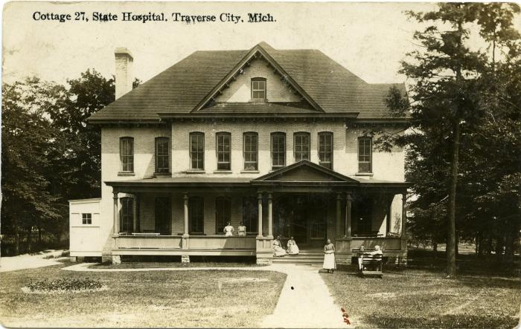 | Cottage 27, State Hospital, Traverse City, Mich., Photographic Postcard, circa 1911-1922 (2016.16.18.212)
 | Carbon Dioxide Sleep Treatment (2018) | One manuscript from 2018.39.01.05.
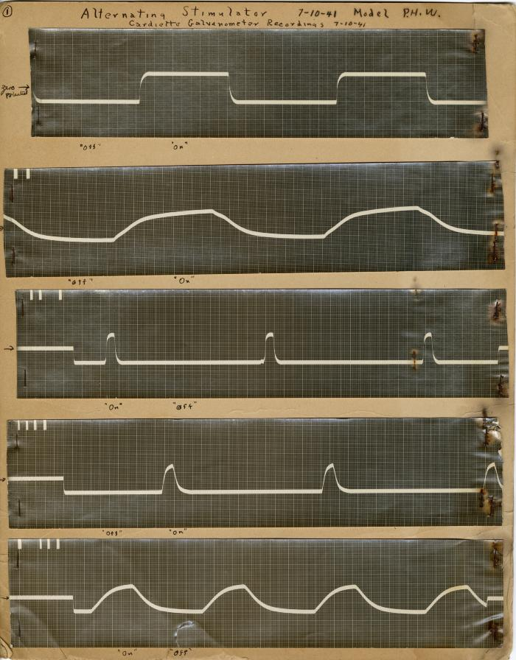
 | Alternating Stimulator- Cardiette Galvanometer Recordings 7-10-1941 (2018.39.01b)
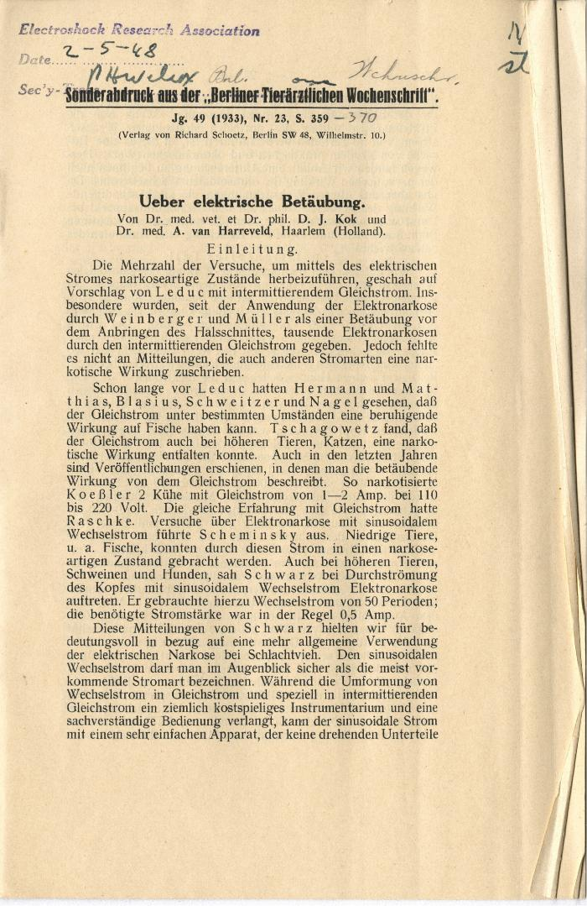
 | Selection of Articles from the Electroshock Research Association Library, 1933-1946 (2018.39.03) | Various reprints of scientific publications from different journals in multiple countries. These represent over 530 individual publications of the Electroshock Research Association library, that Wilcox acquired while the secretary of the association. The acronym "STE" stands for "Shock Therapy-Electric."
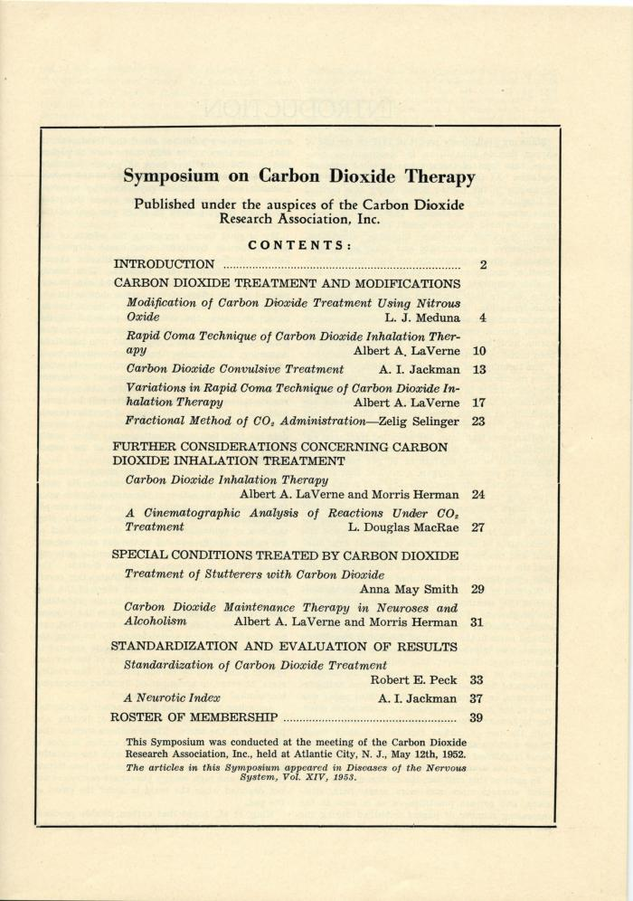
 | Carbon Dioxide Research Association, 1952-1954 (2018.39.03.08) | Papers related to Wilcox's membership in the Carbon Dioxide Research Association in the early 1950s. Includes correspondences with J. L. Meduna.
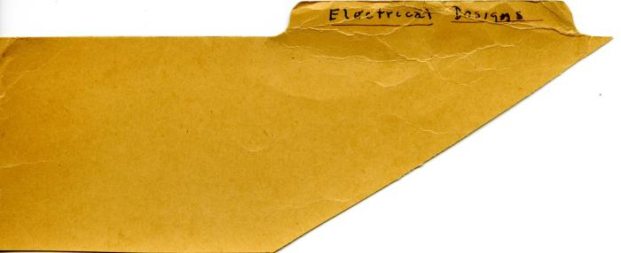 | Electroshock Designs, 1941-1942 (2018.39.03.11) | A collection of papers related to electro-shock instruments.
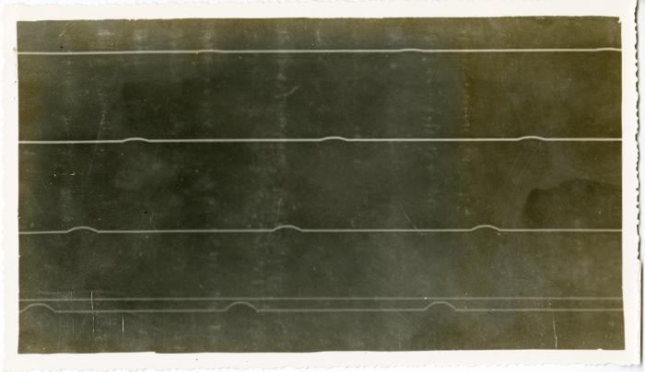 | Electroshock Designs, Galvano Faradie Instrument for Dr. Yakovlev Folders (2018.39.03.12a-c) | A collection of papers related to the development of an galvano faradie instrument, most likely Paul H. Wilcox began work on the instrument for Dr. Yakovlev while working at the Metropolitan State Hospital in Waltham, Massachusetts electro-shock instrument.
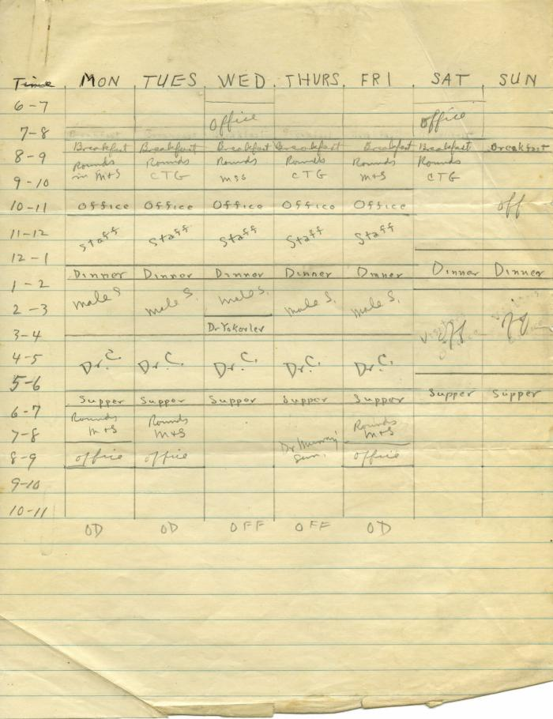
 | Weekly Schedules, March-April 1940 (2018.39.03.24)
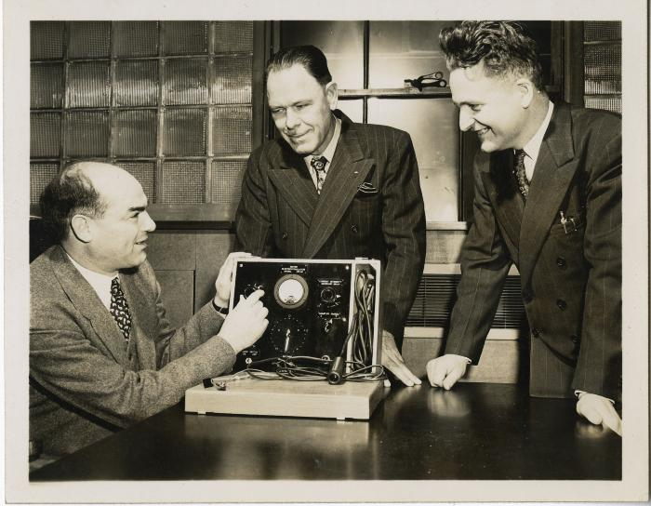 | Dr. Reuben Reiter, Dr. R. P. Sheets, and Dr. Paul H. Wilcox with the Reiter Electro-shock Instrument, 1947 (2018.39.16a) | Black and white photograph of Dr. R. P. Sheets (medical superintendent of the Traverse City State Hospital) and Dr. Paul H. Wilcox with Dr. Rueben Reiter, upon Reiter's visit to the Traverse City in March 1947. This photograph was printed in the Traverse City Record Eagle on March 26, 1947.
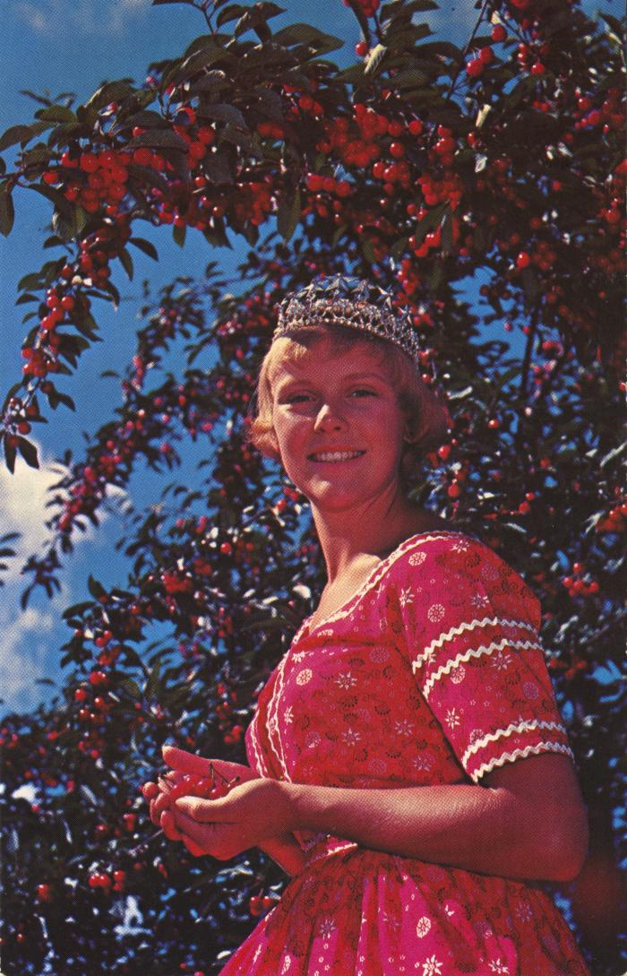
 | National Cherry Festival Queen at Cherry Festival Time in Traverse City, Michigan Postcard, 1957-1958 (2024.16.06.108) | Color photochrome postcard distributed by The Camera Shop, Traverse City, Mich. of Kay Lahym, National Cherry Queen of 1957-1958.
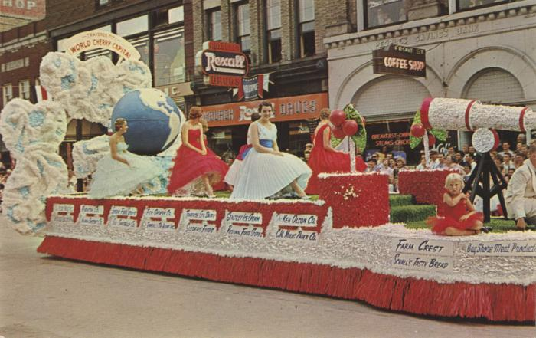 | Grand Floral Parade Nat'L Cherry Festival, National Cherry Festival Postcard, 1960 (2024.16.06.112) | Color photochrome postcard of a parade float in the 1960 National Cherry Festival Parade on Front Street. In the background are the Roxburgh Drugs and Front St. Coffee Shop store fronts.
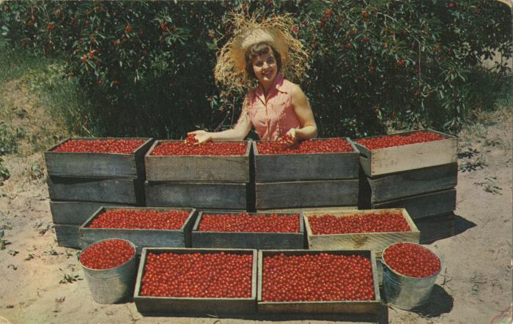 | National Cherry Festival Queen Everil Meloche Admiring Cherries Postcard, circa 1953-1954 (2024.16.07.067) | Color photochrome postcard of Everil Meloche the 1953 National Cherry Queen posing with crates and buckets of red tart cherries.
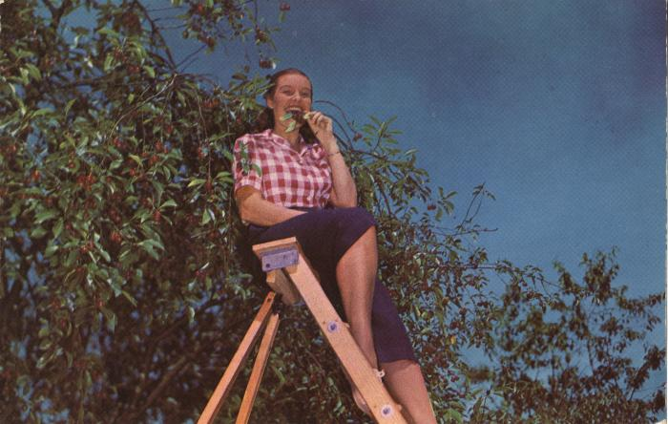 | "Can She Bake a Cherry Pie?" National Cherry Festival Plastichrome Postcard, undated (2024.16.07.144) | "Plastichrome" (photochrome) color postcard printed by Colourpicture Inc. of a person sitting on a ladder next to a cherry tree.
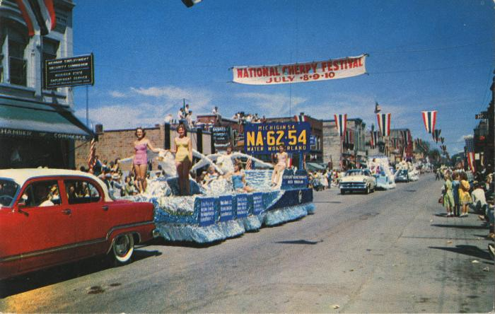 | Outstanding Float of the Grand Floral Parade of the National Cherry Festival Postcard, 1959 (2024.16.07.206) | Color photochrome postcard of the National Cherry Festival Parade on Front Street during the 1959 National Cherry Festival on 1959 July 8-10.
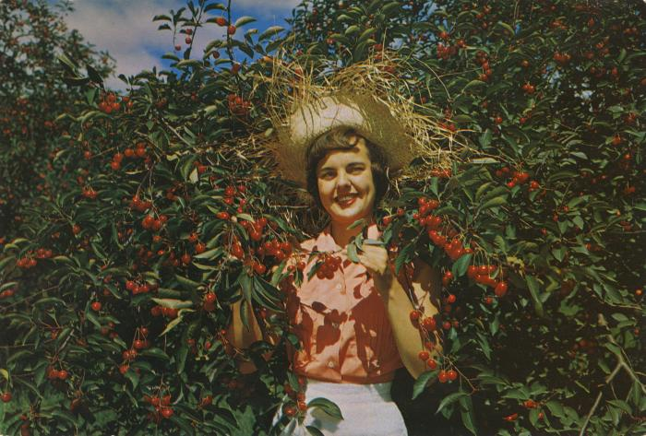 | National Cherry Festival Queen Everile Meloche Sampling Cherries, Giant Postcard, 1953-1954 (2024.16.07.241) | Color oversized postcard of 1953 National Cherry Festival Queen, Everil Meloche, sampling red tart cherries in an orchard.
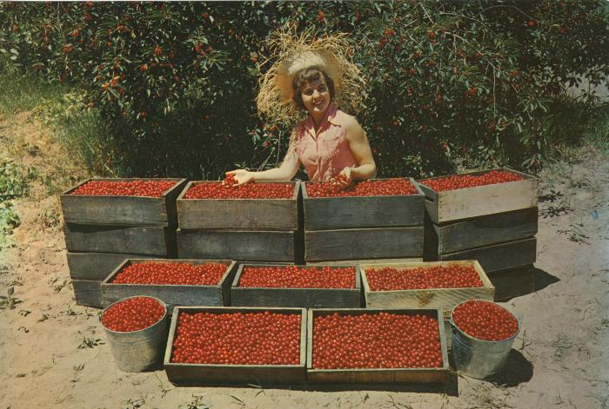 | National Cherry Festival Queen Everile Meloche Admiring Cherries, Giant Postcard, 1953-1954 (2024.16.07.242) | Color oversized postcard of 1953 National Cherry Festival Queen, Everil Meloche, admiring some red tart cherries. Postcard was distributed by Water Wonderland Card Co., Grand Rapids, Michigan.
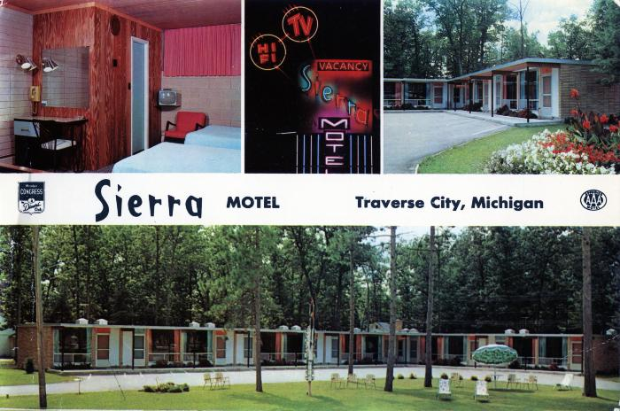 | The Luxurious Sierra Motel, Traverse City, Michigan Giant Postcard, 1950-1951 (2024.16.07.244) | Color oversize postcard of Sierra Motel located on U.S. 31 North in Traverse City, Michigan, at the time owned by Arthur and Vendla Peterson. The postcard was manufactured by Dexter Press in West Nyack, New York.
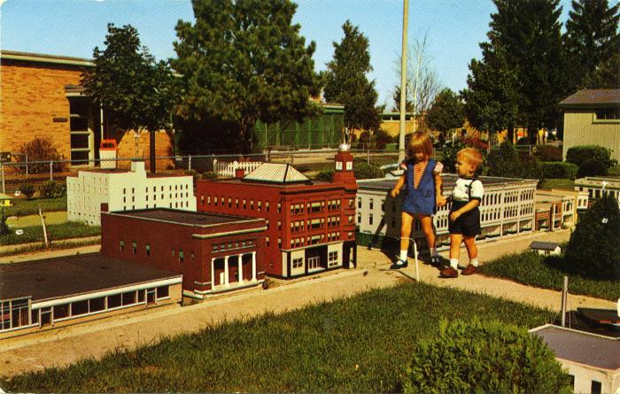 | Miniature City at Duncan L. Clinch Park Postcard, undated (2024.16.08.049) | Color photochrome postcard of two children walking in the scaled model city at Clinch Park.
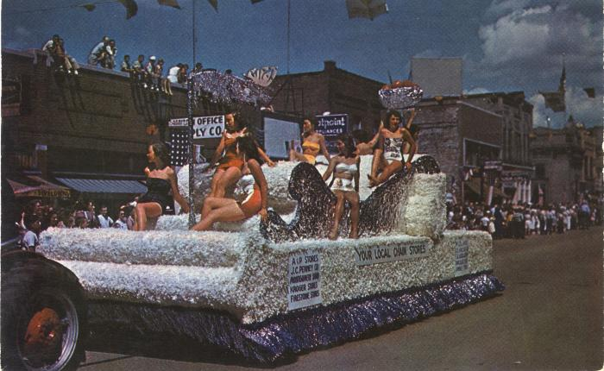 | Your Local Chain Stores National Cherry Festival Parade Postcard, 1950s (2024.16.08.059) | Color "Plastichrome" postcard manufactured by Colourpicutre Inc. of Boston, Massachusetts.
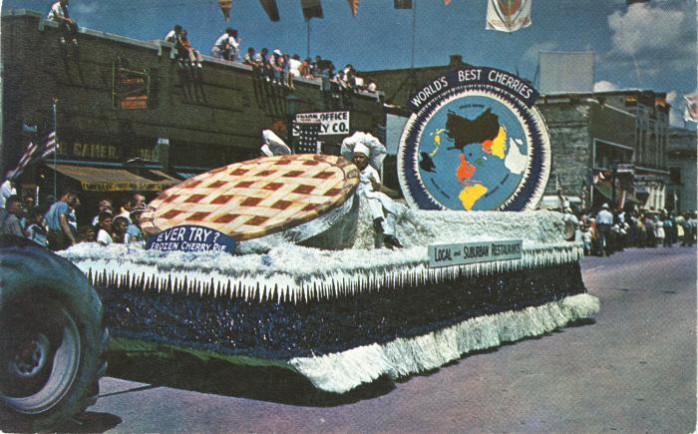 | Local and Suburban Restaurants National Cherry Festival Parade Float Postcard, 1950s (2024.16.08.060) | Color "Plastichrome" postcard manufactured by Colourpicutre Inc. of Boston, Massachusetts.
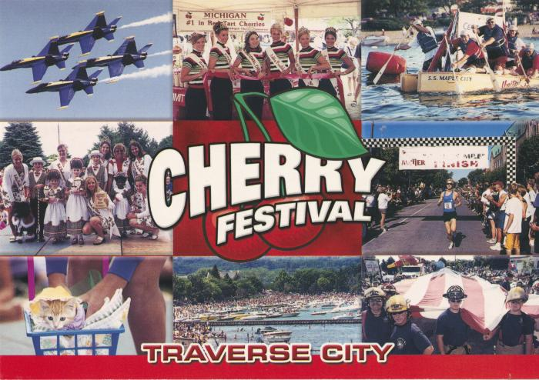 | Cherry Festival Photograph Collage Postcard, undated, circa 2001 (2024.16.09.048) | Group protrait with 2001 National Cherry Queen Kelsey Hewitt
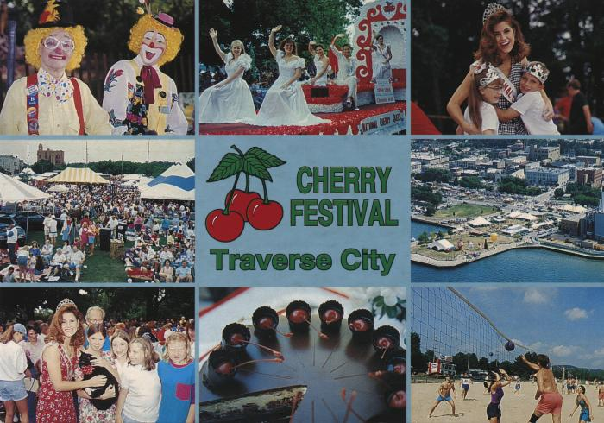 | Cherry Festival, Traverse City Photograph Collage Postcard, circa 1994 (2024.16.09.120) | Image of Christina Willis, National Cherry Queen 1994-1995.
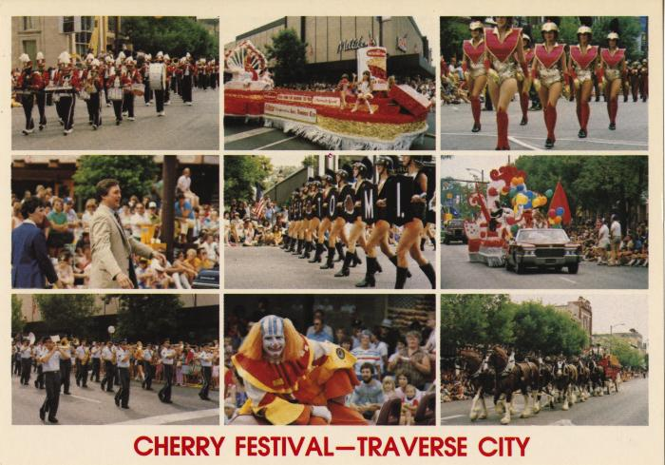 | Cherry Festival - Traverse City Photograph Collage Postcard, after 1983 (2024.16.09.121) | Featuring the 45th Governor of Michigan, James J. Blanchard.
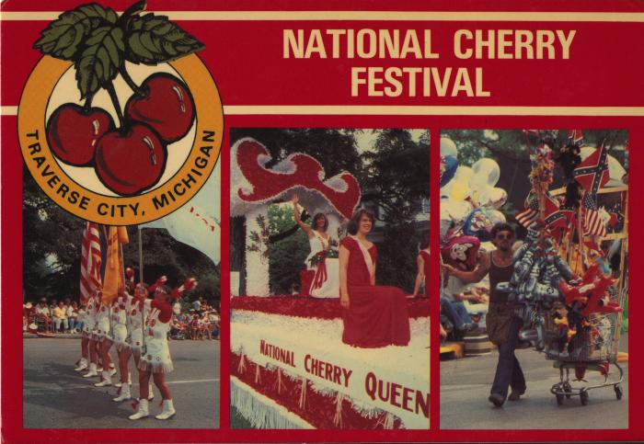 | National Cherry Festival Postcard, after 1981 (2024.16.09.122) | Queen Lynn Van Bogelen
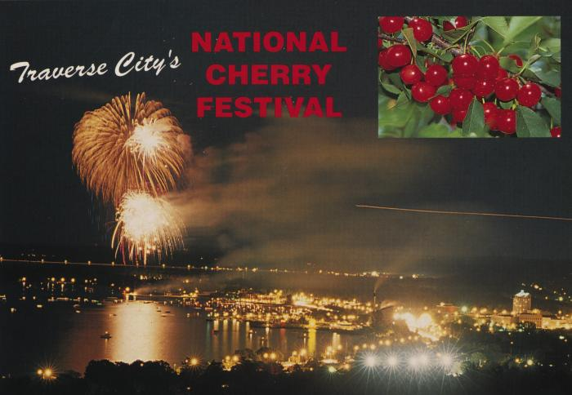 | Traverse City's National Cherry Festival Fireworks Postcard, undated (2024.16.09.123)
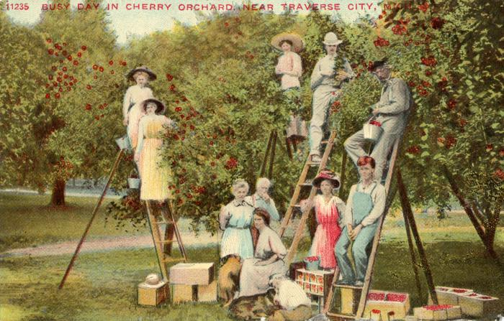 | Busy Day in Cherry Orchard, near Traverse City, Mich. Postcard, 1917 August 29 (2024.16.10.051)
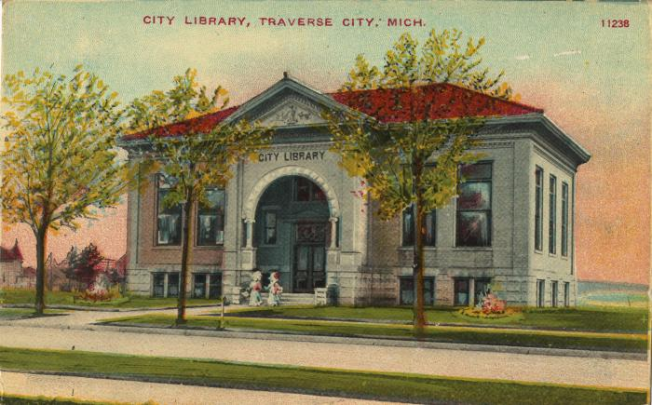 | City Library, Traverse City, Mich. Color Postcard (2024.16.10.063)
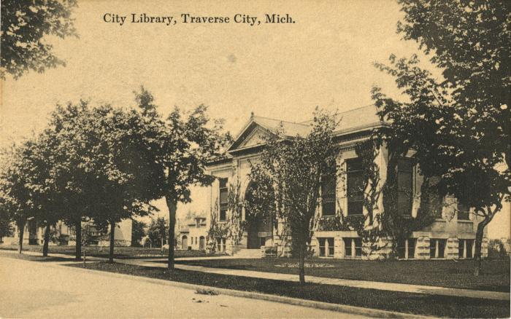 | City Library, Traverse City, Mich. Postcard, 1953 (2024.16.10.078)
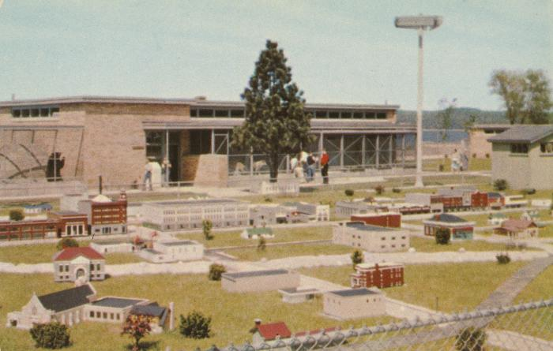 | Michigan Water Wonderland, Miniature City Postcard, after 1955 (2024.16.11.185) | "Lusterchrome" postcard by the Tichnor Bros., Inc. Boston, Massachusetts
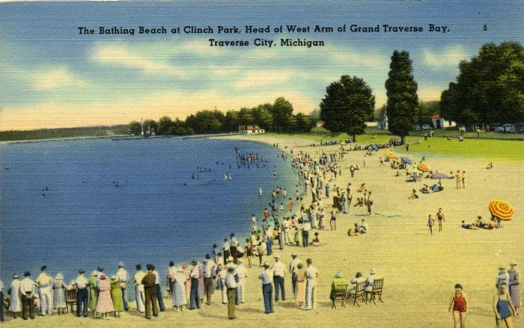 | The Bathing Beach at Clinch Park, Head of West Arm of Grand Traverse Bay, Traverse City, Michigan (2024.16.13.004) | Linen postcard "Tichnor Quality Views"
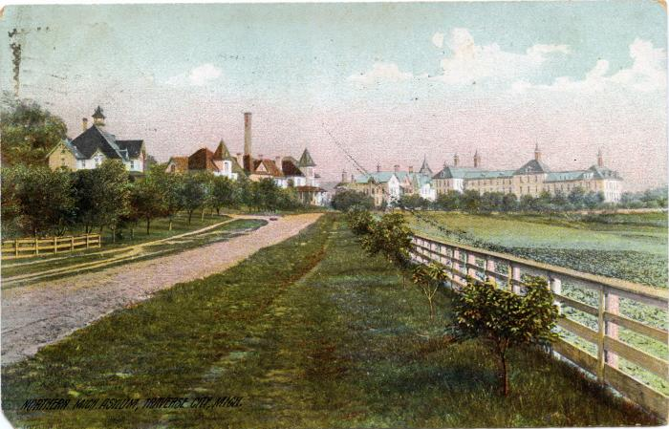 | Drive towards Northern Michigan Asylum, 1909 August 23 (2024.16.13.134) | Posted color postcard of the drive towards the Northern Michigan Asylum, later the Traverse City State Hospital.
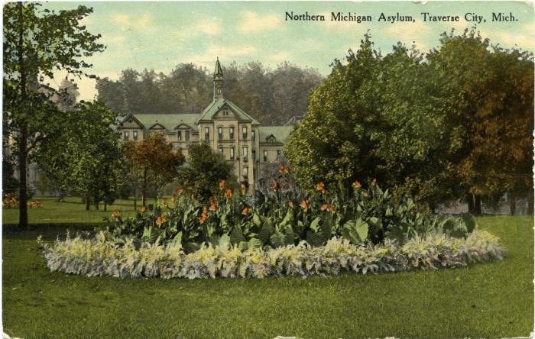 | Northern Michgian Asylum, Traverse City, Mich. Postcard, 1910 September 29 (2024.16.13.155)
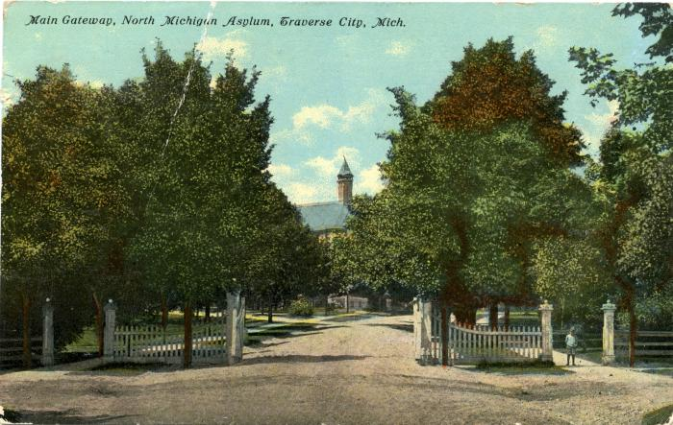 | Main Gateway, North Michigan Asylum, Traverse City, Mich. Postcard, 1911 May 22 (2024.16.13.180)
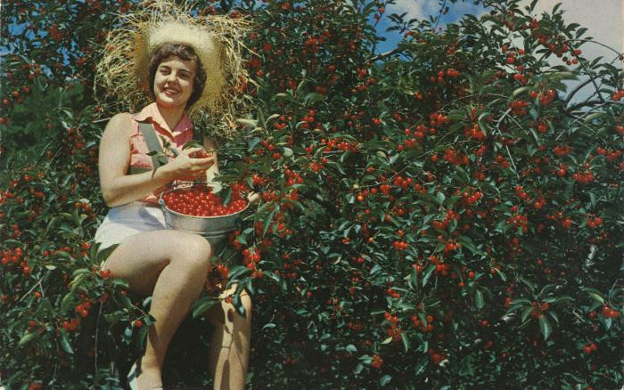 | National Cherry Festival Queen Everil Meloche Harvesting Cherries Postcard, circa 1953-1954 (2024.16.143) | Color photochrome postcard of Everil Meloche the 1953 National Cherry Queen, in a tree harvesting red tart cherries. Postcard was distributed by Water Wonderland Card Co., Grand Rapids, Michigan.
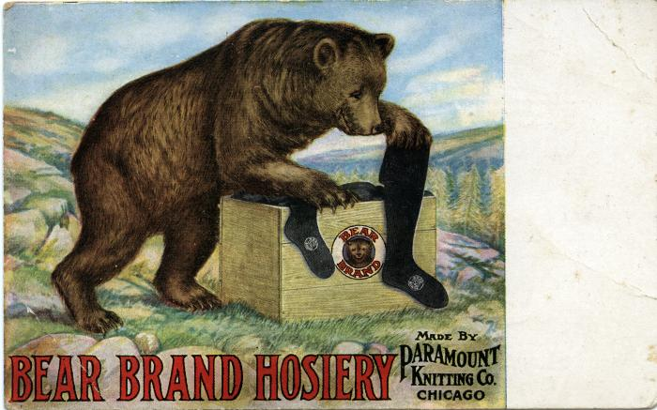 | Bear Brand Hosiery, Steinberg Bros. Adverstiment Postcard, circa 1907 (2024.16.15.128) | Advertising postcard for Bear Brand School stockings sold at Steinberg Bros. store in Traverse City, Michigan.
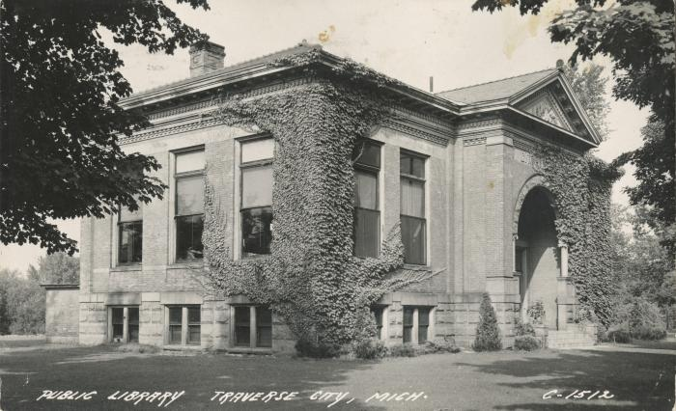 | Public Library, Traverse City, Michigan Postcard, 1950 Janaury 10 (2024.16.18.073)
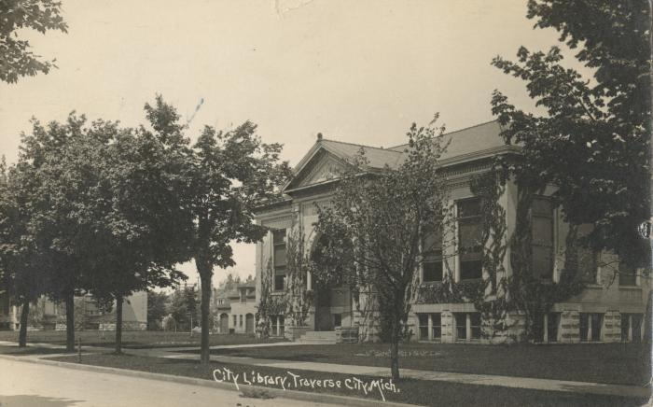 | City Library, Traverse City, Michigan , Photographic Postcard, 1925 February 5 (2024.16.18.074)
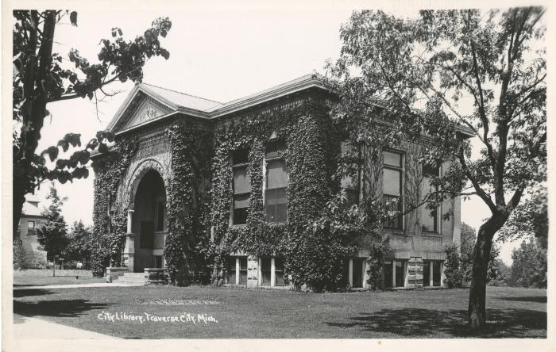 | City Library, Traverse City, Michigan, Photographic Postcard, circa 1939-1950 (2024.16.18.075) | Printed on EKC paper.
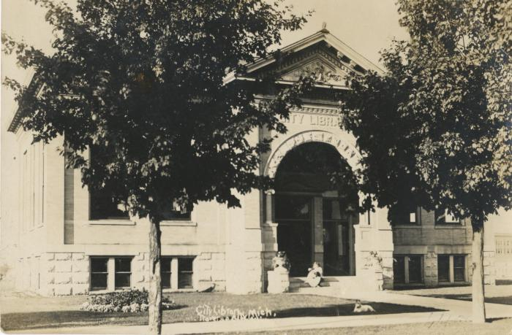 | City Library, Traverse City, Michigan, Photographic Postcard, 1912 March 16 (2024.16.18.076)
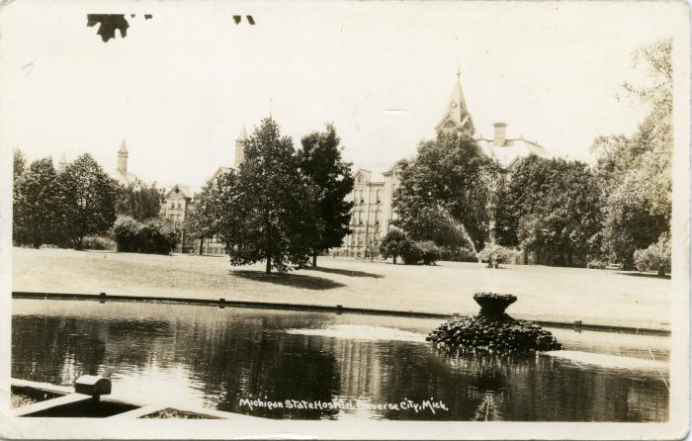 | Michigan State Hospital, Traverse City, Mich. Photographic Postcard, circa 1939-1950 (2024.16.18.198) | View of Williow Lake and the central administration building at of the Traverse City State Hospital.
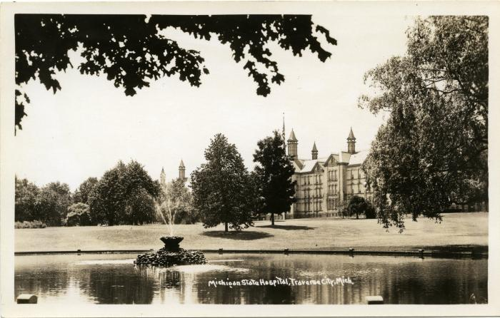 | Michigan State Hospital, Traverse City, Mich. Photographic Postcard, circa 1925-1942 (2024.16.18.206) | View of Williow Lake and the central administration building at of the Traverse City State Hospital.
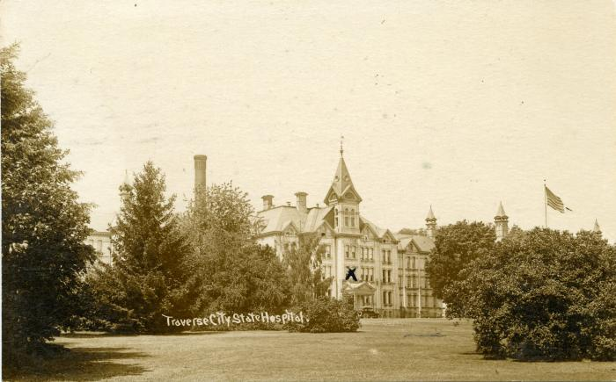 | Traverse City State Hospital, Postcard, 1926 September 9 (2024.16.18.208)
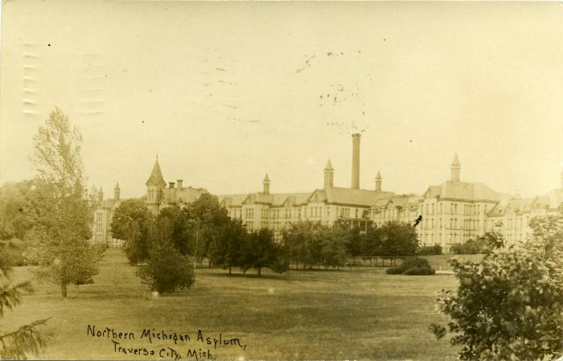 | Northern Michigan Asylum, Traverse City, Mich. Postcard, 1909 December 14 (2024.16.18.209)
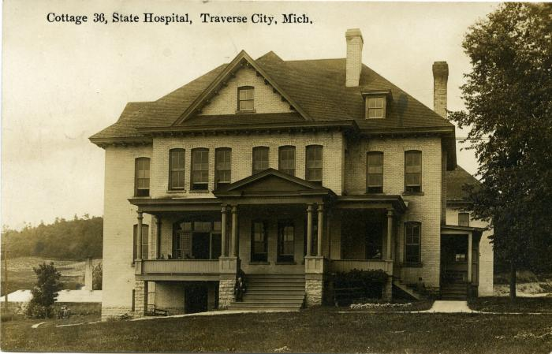 | Cottage 36, State Hospital, Traverse City, Mich., Photographic Postcard, 1912 November 20 (2024.16.18.211)
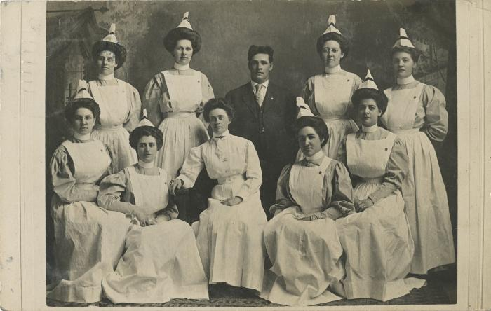 | Northern Michigan Asylum Training School for Nurses Graduation Class Portrait, Photographic Postcard, 1908 (2024.16.19.017)
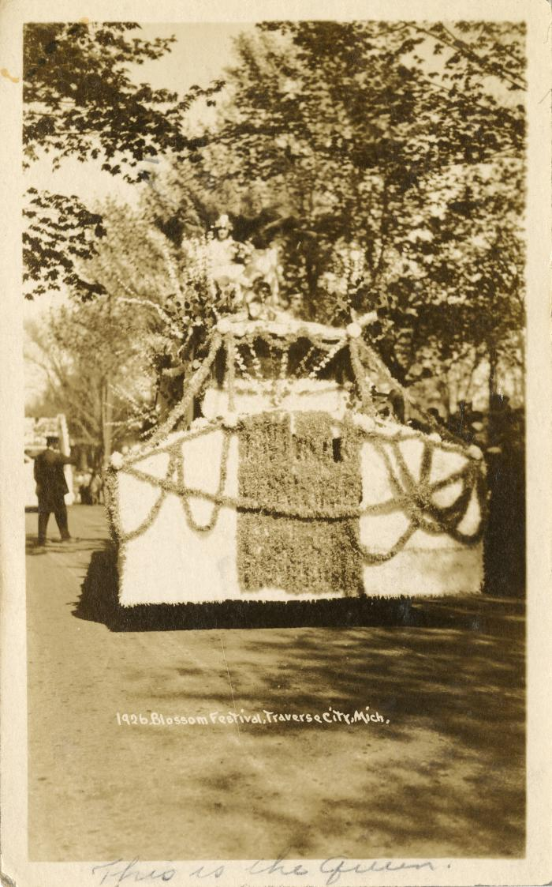
 | 1926 Blossom Festival, Traverse City, Mich., Photographic Postcard (2024.16.21.006)
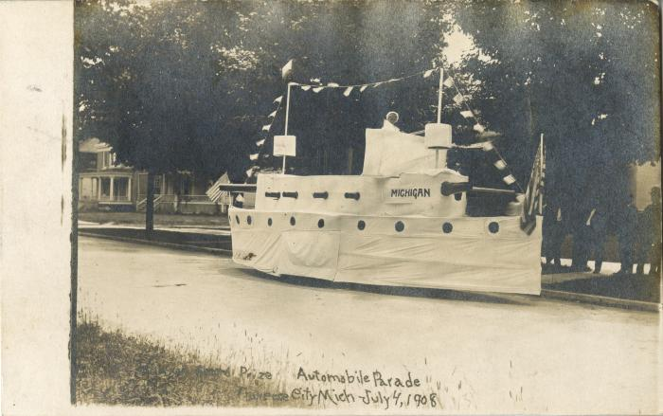 | Grand Prize Automobile Parade, Traverse City, Mich, Photographic Postcard, 1908 July 4 (2024.16.21.133)
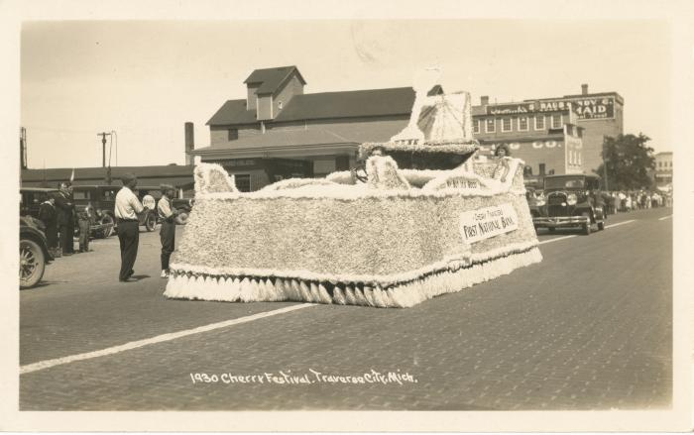 | 1930 Cherry Festival, Traverse City, Mich., Photographic Postcard (2024.16.21.134)
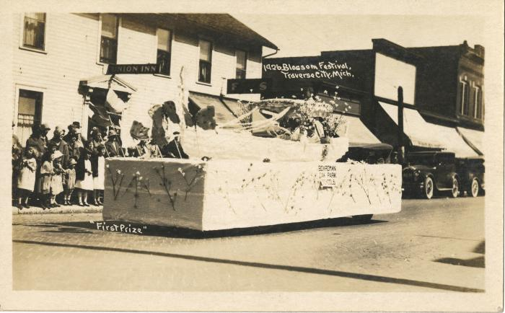 | "First Prize" 1926 Blossom Festival, Traverse City, Mich., Photographic Postcard, 1926 (2024.16.21.135)
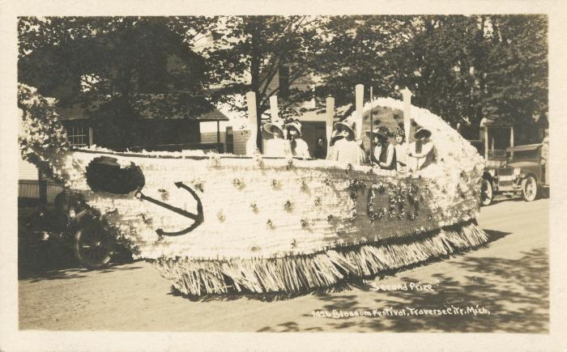 | "Second Prize" 1926 Blossom Festival, Traverse City, Mich., Photographic Postcard, 1926 (2024.16.21.136)
 | 1926 Blossom Festival, Traverse City, Mich., Photographic Postcard (2024.16.21.137)
 | 1926 Blossom Festival, Traverse City, Mich., Photographic Postcard (2024.16.21.138)
 | 1926 Blossom Festival, Traverse City, Mich., Photographic Postcard (2024.16.21.139)
 | 1926 Blossom Festival, Traverse City, Mich., Photographic Postcard (2024.16.21.140)
 | 1930 Cherry Festival, Traverse City, Mich., Photographic Postcard (2024.16.21.141)
 | 1930 Cherry Festival, Traverse City, Mich., Photographic Postcard (2024.16.21.142)
 | 1930 Cherry Festival, Traverse City, Mich., Photographic Postcard (2024.16.21.143)
 | 1930 Cherry Festival, Traverse City, Mich., Photographic Postcard (2024.16.21.144)
 | 4th Anniversary Cherry Ferstival, Traverse City, Photographic Postcard, 1931 July 17 (2024.16.21.145)
 | Forman Parade Float, Photographic Postcard, circa 1918-1930 (2024.16.21.146) | AZO stamp box with triangles pointed up and down in the corners indicates the postcard was made between 1918-1930.
 | Union Street, Photographic Postcard, circa 1907-1909 (2024.16.21.147) | Azo stamp box with diamonds in the coroners dates the postcard to 1907-1909.
 | Christian Church "Grand Prize" Parade Float, Photographic Postcard, 1925 June 14 (2024.16.21.148)
 | Swan Float on Front Street, Photographic Postcard, 1908 July 4 (2024.16.21.149)

 | [BLANK] (2024.37.63)

 | Severův Vlastenecký Kalendář Na Rok 1892 (2025.69.01) | Published by pharmacist W. F. Severa of Cedar Rapids, Iowa in 1892. The self described purpose of the publication was for the "benefit of Czech Slavic families in America as a reliable guide for many illnesses." Consisting mostly of self-promotion, medical information, home remedies, the publication functioned as a calendar, but more prominently as promotional material for Severa's products. The publication was supposedly free at any participating pharmacy, potentially including F. Furtsches store, a dealer in Severa's products in Traverse City, Michigan. Slogan was "Lepši malá pomoc nežli velká nemoc!" (Better a little help than a big illness).

 | Severův Česky Kalendar a Domácí Lékař 1914 (2025.69.02) | Consisting mostly of self-promotion, medical information, home remedies, the publication functioned as a calendar, but more prominently as promotional material for Severa's products. The publication was supposedly free at any participating pharmacy, potentially including Chas. Wilhelm & Co. store, a dealer in Severa's products in Traverse City, Michigan.

 | Pečírkův Národní Kalendář 1909, vol. 52 (2025.69.03) | A Czech periodical was first published in 1865 and founded by Czech physician and educator Josef Pečírka. After Pečírka's death in 1904, the calendar was then published by his wife, Marianna Pečírková, then their children until 1949. The 1909 edition of the Pečírkův Národní Kalendář includes a calendar and various stories with illustrations.

 | Amerikán Národní Kalendář 1913, vol. 36 (2025.69.04) | The Amerikán Národní Kalendář was a periodical first published in 1878 by August Geringer. Published yearly, the publication was often read by Czech-Americans for entertainment, calendars such as this one often replaced books for Czech immigrants and influenced their cultural life. The Amerikán Národní Kalendář includes a calendar for the year 1913, helpful resources (measurements, nutrients of vegetables) advertisements for czech businessnesses (mostly in Chicago, Illinois), short stories, poems, illustrations, recipes, candidates for the presidency and vice-presidency (with illustrations), Laws in the northwestern states on hunting and fishing.

 | Amerikán Národní Kalendář 1917, vol. 40 (2025.69.05) | The Amerikán Národní Kalendář was a periodical first published in 1878 by August Geringer. Published yearly, the publication was often read by Czech-Americans for enterainment, calendars such as this one often replaced books for Czech immigrants and influenced their cultural life. Besides a calendar, the 1917 edition of the Amerikán Národní Kalendář ? includes articles relating to the presidential candidates for the 1916 national elections, World War I, information about United States laws, in addition to memoirs, poems, travel articles, and human interest stories.

 | Česko-Ameriká Kuchařka (2025.69.06) | This Czech-American cookbook is described as an easy to understand cookbook for preparing 344 different recipes suitable for every Czech-american household. Includes recipes for soups, meat dishes, sauces, preserves, fish dishes, puddings and soufflés.

 | Stanovy České Římsko-Katolické I. Ústřední Jednoty Žen ve Spojených Státech Amerických (V české a anglické řeči.) (2025.69.07) | Articles of incorporation and constitutions.

 | Stanovy České Římsko-Katolické I. Ústřední Jednoty Žen ve Spojených Státech Amerických (V české a anglické řeči.) (2025.69.08) | Articles of incorporation.

 | Stanovy, Zákony a Pravidla (Constitution, By-Laws, Rules and Regulations) České Římsko-Katolické Ústřední Jednoty Žen ve Spoj. Státech Amerických (Bohemian Roman Catholic Central Union of Women in the United States of America) (2025.69.09) | Articles of incorporation, constitution, rules and regulations.

 | Stanovy České Římsko-Katolické I. Ústřední Jednoty ve Spoj. Státech Amerických. (2025.69.10) | Constitution, By-Laws and Rules of the Czech Roman Catholic First Central Union in the United States of America

 | Stanovy, Zákony a Pravidla České Římsko-Katolické První Ústřední Jednoty ve Spoj. Státech Amerických. (2025.69.11) | Constitution, By-Laws and Rules of the Czech Roman Catholic First Central Union in the United States of America

 | Stanovy, Zákony a Pravidla České Římsko-Katolické První Ústřední Jednoty ve Spoj. Státech Amerických. (2025.69.12) | Constitution, By-Laws and Rules of the Czech Roman Catholic First Central Union in the United States of America.
 | Stanovy Čes. Řím.-Katol. Podp. Spolku Jména Panny Marie Číslo 89. Traverse City, Mich. (2025.69.13) | Constitution small booklet for the Czech Roman Catholic Supporting Society of the Virgin Mary of Traverse City.
 | Gold Record Physical Object (gold_record_physical_object) | Still image gold record.
 | Gold Record Still Image (gold_record_still_image) | Still image gold record.
  | Front Street on Fourth of July Celebration, 1896 (PH 1047-92577) | Front Street, Traverse City, looking west on the 200 Block of East Front Street. In the foreground on the left is the Front Street Hotel, Ole Bostrom was the proprietor. This building, as well as most of the buildings on the south side of the 200 Block of East Front Street, were totally consumed in a fire that took place on the night of November 11, 1896. This may be a photograph of a Fourth of July celebration in 1896.

 | Charles Wilhelm, portrait (PH1208) | Taken from the Traverse City Pioneer Book Portraits Collection (2018.29) and related to 2018.03.28.
 | Interior of Jacob Furtsch Grocery at 415 S. Union St., Traverse City (PH3376)
 | "Mayfield electric power plant ruins", 24 March 1913 (tohpc001) | Postcard photograph of ruins of Mayfield power plant owned by Mrs. J.L. Gibbs. On the morning of 24 March 1913, flood waters had eaten away at the sandy embankment under the G.R. & I. Railroad tracks near the Mayfield dam. The dam collapsed, taking out the power house, and making road and railroad impassable. Engineer John Hawthorne drowned during the event. This postcard is part of a numbered series.
 | "Road bridge," persons standing on ruins, 24 March 1913 (tohpc009) | Postcard photograph of ruins of Mayfield power plant owned by Mrs. J.L. Gibbs. On the morning of 24 March 1913, flood waters had eaten away at the sandy embankment under the G.R. & I. Railroad tracks near the Mayfield dam. The dam collapsed, taking out the power house, and making road and railroad impassable. Engineer John Hawthorne drowned during the event. This postcard is part of a numbered series.
 | "The Post Office, Traverse City", ca. 1915 (tohpc016) | Postcard photograph of the Cass and State Street post office in downtown Traverse City.
 | "Cherry Picking Time," ca. 1915 (tohpc023) | Printed on back of image: "Here is the tart cherry capital of the United States. Springtime is given a grand sendoff by beautiful cherry blossoms heralding another approaching season which is topped off annually by a mammoth festival to celebrate the harvest." Image features young men picking the cherry harvest, some are on cherry-picking ladders.
 | "Old Logging Locomotive at Clinch Park in Traverse City," 1963 (tohpc031) | Color postcard photograph of "Old Logging Locomotive at Clinch Park in Traverse City, Michigan. On a site that was once a huge sawmill in the old logging days stands an old locomotive which hauled many logs from the forests around Traverse City to the saw mills. It came from the Day Estate in Leelanau County to Clinch Park, where along with the zoo, aquarium and Con Foster museum, it is a favorite background for thousands of snapshots taken each season by the throngs of visitors who visit the park in downtown Traverse City."
 | "Con Foster Museum at Duncan L. Clinch Park, Traverse City," ca. 1960 (tohpc035) | Color photographic postcard of Con Foster Museum, likely taken in the 1960s.

