CollectiveAccess
Image | Object | Description | Date
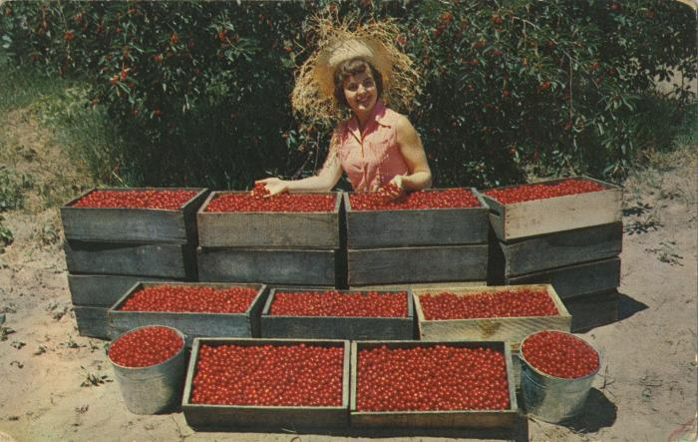 | National Cherry Festival Queen Everil Meloche Admiring Cherries Postcard, circa 1953-1954 (2024.16.07.067) | Color photochrome postcard of Everil Meloche the 1953 National Cherry Queen posing with crates and buckets of red tart cherries.
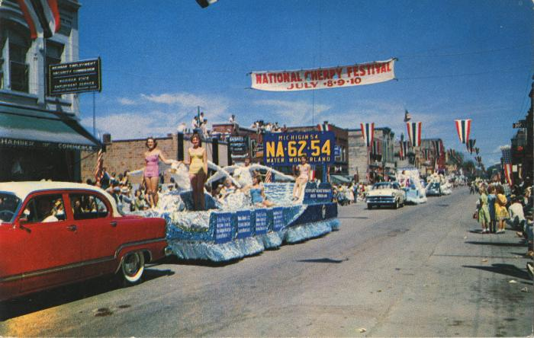 | Outstanding Float of the Grand Floral Parade of the National Cherry Festival Postcard, 1959 (2024.16.07.206) | Color photochrome postcard of the National Cherry Festival Parade on Front Street during the 1959 National Cherry Festival on 1959 July 8-10.
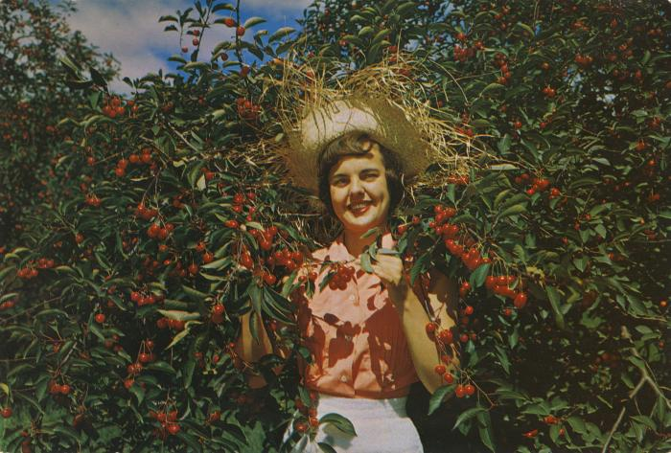 | National Cherry Festival Queen Everile Meloche Sampling Cherries, Giant Postcard, 1953-1954 (2024.16.07.241) | Color oversized postcard of 1953 National Cherry Festival Queen, Everil Meloche, sampling red tart cherries in an orchard.
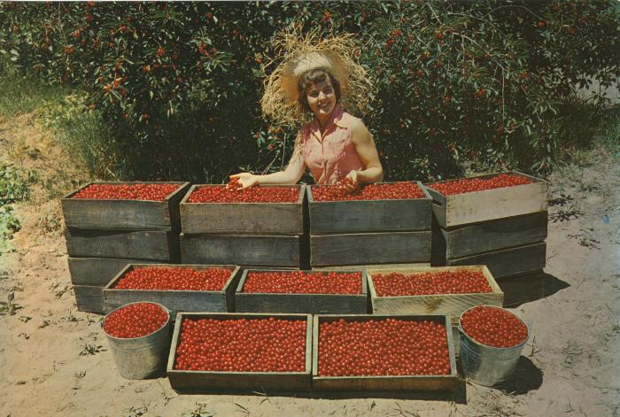 | National Cherry Festival Queen Everile Meloche Admiring Cherries, Giant Postcard, 1953-1954 (2024.16.07.242) | Color oversized postcard of 1953 National Cherry Festival Queen, Everil Meloche, admiring some red tart cherries. Postcard was distributed by Water Wonderland Card Co., Grand Rapids, Michigan.
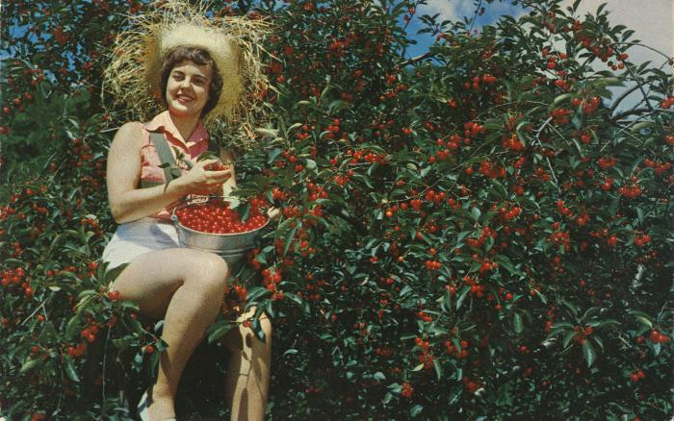 | National Cherry Festival Queen Everil Meloche Harvesting Cherries Postcard, circa 1953-1954 (2024.16.143) | Color photochrome postcard of Everil Meloche the 1953 National Cherry Queen, in a tree harvesting red tart cherries. Postcard was distributed by Water Wonderland Card Co., Grand Rapids, Michigan.

